Top Ten
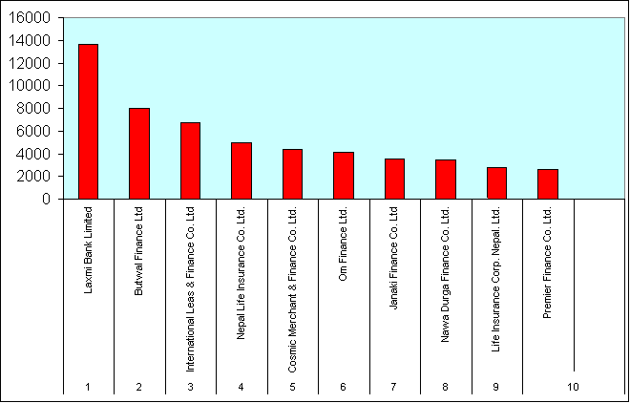
Nepal Stock Exchange Ltd.
List of top ten companies
Top ten on the basis of traded Amount
17July 2003 to 15th July 2004 (Fiscal Year 2060/061)

 | Name of the companies | Amount Traded
S.NO |  | (Rs. In Millions)
1 | Bottlers Nepal Ltd. (Balaju) | 1025.6
2 | Nepal Bangladesh Bank Ltd. | 222.79
3 | Himalayan Bank Ltd | 152.15
4 | Laxmi Bank Limited | 108.08
5 | Nabil Bank Ltd. | 73.96
6 | Bank Of Kathmandu Ltd. | 70.96
7 | Standard Chartered Bank Nepal Ltd | 64.32
8 | Everest Bank Ltd. | 56.11
9 | Nepal Investment Bank Ltd. | 41.39
10 | Machha Puchchhre Bank Ltd. | 34.04

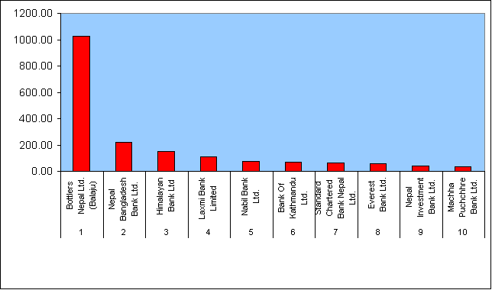

Top ten on the basis of Share traded

 | Name of the companies | No Of Share
 |  | (Traded in '000)
1 | Bottlers Nepal Ltd. (Balaju) | 1914
2 | Laxmi Bank Limited | 848
3 | Nepal Bangladesh Bank Ltd | 590
4 | Bank of Kathmandu Ltd. | 327
5 | Machha Puchchhre Bank Ltd. | 318
6 | Development Credit Bank Limited | 190
7 | Himalayan Bank Ltd | 179
8 | International Leas & Finance Co. Lt | 127
9 | Butwal Finance Ltd | 122
10 | Nepal Life Insurance Co. Ltd. | 118

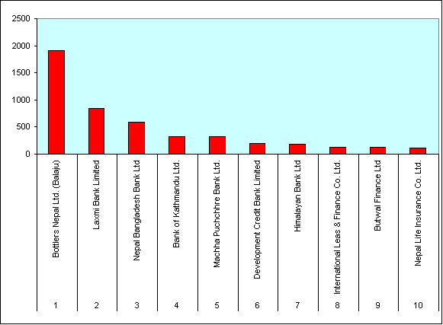

Top ten on the basis of Number of Transactions

Company Name |  | No of transactions

1 | Laxmi Bank Limited | 13682
2 | Butwal Finance Ltd | 8008
3 | International Leas & Finance Co. Ltd | 6743
4 | Nepal Life Insurance Co. Ltd. | 4982
5 | Cosmic Merchant & Finance Co. Ltd. | 4381
6 | Om Finance Ltd. | 4126
7 | Janaki Finance Co. Ltd | 3561
8 | Nawa Durga Finance Co. Ltd. | 3471
9 | Life Insurance Corp. Nepal. Ltd. | 2790
10 | Premier Finance Co. Ltd. | 2593

